Test Cases
Test Case ID | Test Case Name | Test Steps | Expected Result
#REF! | Check if the user is able to Click on "Skills Tab" | Step 1: Launch the URL: "http://localhost:5000/" | User should be able to navigate to the Login page
 |  | Step 2: Login with Valid Credentials Username: naina.batra21@gmail.com, Password:Industry14@ | User should be able to Login in to the application
 |  | Step 3: Click on "Skill Tab" | User should be able to click on "Skill Tab"

#REF! | Check if the user is able to "Cancel" the Skill | Step 1: Launch the URL: "http://localhost:5000/" | User should be able to navigate to the Login page
 |  | Step 2: Login with Valid Credentials Username: naina.batra21@gmail.com, Password:Industry14@ | User should be able to Login in to the application
 |  | Step 3: Click on "Skill Tab" | User should be able to click on "Skill Tab"
 |  | Step 4: Click on "Add New" button | User should be able to click on "Add New" Button
 |  | Step 5: Enter the "Skill" | User should be able to Enter the Skill
 |  | Step 6: Select the "Skill level" | User should be able to select the "Skill Level"
 |  | Step 7: Click on "Cancel" button | User should be able to cancel the Skill

#REF! | Check if the user is able to "Add" Skills on profile page | Step 1: Launch the URL: "http://localhost:5000/" | User should be able to navigate to the Login page
 |  | Step 2: Login with Valid Credentials Username: naina.batra21@gmail.com, Password:Industry14@ | User should be able to Login in to the application
 |  | Step 3: Click on "Skill Tab" | User should be able to click on "Skill Tab"
 |  | Step 4: Click on "Add New" button | User should be able to click on "Add New" Button
 |  | Step 5: Enter the "Skill" | User should be able to Enter the Skill
 |  | Step 6: Select the "Skill Level" | User should be able to select the "Skill Level"
 |  | Step 7: Click on "Add" button | User should be able to add and see the added Skill

#REF! | Check if the user is able to "Edit" a Skill on profile page | Step 1: Launch the URL: "http://localhost:5000/" | User should be able to navigate to the Login page
 |  | Step 2: Login with Valid Credentials Username: naina.batra21@gmail.com, Password:Industry14@ | User should be able to Login in to the application
 |  | Step 3: Click on "Skill Tab" | User should be able to click on "Skill Tab"
 |  | Step 4: Click on "Edit" button | User should be able to click on "Pencil" Button
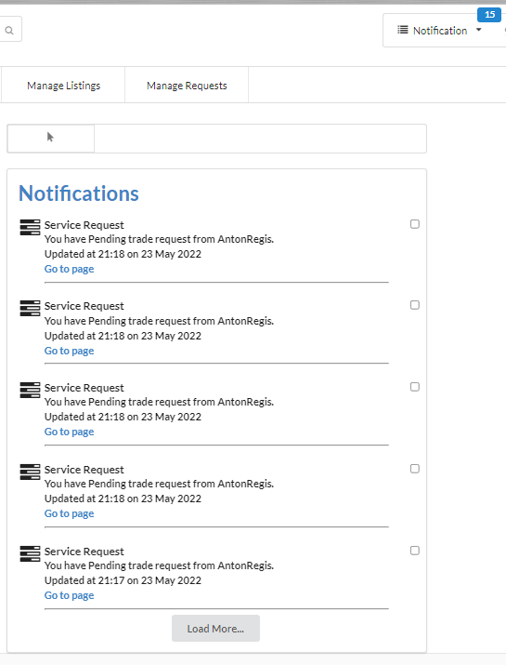
 |  | Step 5: Edit the Existing Data | User should be able to edit the exisitng data
 |  | Step 6: Click on "Update" button | User should be able to update the Skill

#REF! | Check if the user is able to "Delete" a Skill on profile page | Step 1: Launch the URL: "http://localhost:5000/" | User should be able to navigate to the Login page
 |  | Step 2: Login with Valid Credentials Username: naina.batra21@gmail.com, Password:Industry14@ | User should be able to Login in to the application
 |  | Step 3: Click on "Skill Tab" | User should be able to click on "Skill Tab"
 |  | Step 4: Click on "Delete" button | User should be able to "Delete" the Skill and a popup notification will be displayed "<Skill> has been deleted"

#REF! | Check if the user is able to Click on "Load More" button | Step 1: Launch the URL: "http://localhost:5000/" | User should be able to navigate to the Login page
 |  | Step 2: Login with Valid Credentials Username: naina.batra21@gmail.com, Password:Industry14@ | User should be able to Login in to the application
 |  | Step 3: Click on "Notification" menu | User should see five dropdown Service Request notifications, "Mark All As Read" link, and "See All" link
 |  | Step 4: Click on "See All" link | User should see "Notifications" page with five notifications
 |  | Step 5: Click on "Load More" link | User should see additional notifications below the first five notifications

TC_003_01 | Check if the user is able to "Select" the Country | Step 1: Launch the URL: "http://localhost:5000/" | User should be able to navigate to the Login page
 |  | Step 2: Login with Valid Credentials Username: anton.regis@gmail.com, Password: Passw0rd | User should be able to Login in to the application
 |  | Step 3: Click on "Location" | User should be able to Click on "Location"
 |  | Step 4: Select the Country | User Should be able to Select the Country

TC_003_02 | Check if the user is able to " Edit " the Country | Step 1: Launch the URL: "http://localhost:5000/" | User should be able to navigate to the Login page
 |  | Step 2: Login with Valid Credentials Username: anton.regis@gmail.com, Password: Passw0rd | User should be able to Login in to the application
 |  | Step 3: Click on "Location" | User should be able to Click on "Location"
 |  | Step 4: Select the "Country" or Change the Select Country | User Should be able to Change the Country

TC_004_01 | Check if the user is able to "Select " the Availability | Step 1: Launch the URL: "http://localhost:5000/" | User should be able to navigate to the Login page
 |  | Step 2: Login with Valid Credentials Username: anton.regis@gmail.com, Password: Passw0rd | User should be able to Login in to the application
 |  | Step 3: Click on "Availability" | User should be able to Click on "Availability"
 |  | Step 4: Select the "Availability Time" | User Should be able to Select the "Availability Time"

TC_004_02 | Check if the user is able to "Edit" the Availability | Step 1: Launch the URL: "http://localhost:5000/" | User should be able to navigate to the Login page
 |  | Step 2: Login with Valid Credentials Username: anton.regis@gmail.com, Password: Passw0rd | User should be able to Login in to the application
 |  | Step 3: Click on "Availability" | User should be able to Click on "Availability"
 |  | Step 4: Edit the "Availability Time" | User Should be able to Edit the "Availability Time"

TC_005_01 | Check if the user is able to "Select" the Hours | Step 1: Launch the URL: "http://localhost:5000/" | User should be able to navigate to the Login page
 |  | Step 2: Login with Valid Credentials Username: anton.regis@gmail.com, Password: Passw0rd | User should be able to Login in to the application
 |  | Step 3: Click on "Hours" | User should be able to Click on "Hours"
 |  | Step 4: Select the "Hours" | User Should be able to Select the "Hours"

TC_005_02 | Check if the user is able to "Edit" the Hours | Step 1: Launch the URL: "http://localhost:5000/" | User should be able to navigate to the Login page
 |  | Step 2: Login with Valid Credentials Username: anton.regis@gmail.com, Password: Passw0rd | User should be able to Login in to the application
 |  | Step 3: Click on "Edit Hours" | User should be able to Click on "Edit Hours"
 |  | Step 4: Select the "Hours" | User Should be able to Select the "Hours"

TC_006_01 | Check if the user is able to "Select" the Earn Target | Step 1: Launch the URL: "http://localhost:5000/" | User should be able to navigate to the Login page
 |  | Step 2: Login with Valid Credentials Username: anton.regis@gmail.com, Password: Passw0rd | User should be able to Login in to the application
 |  | Step 3: Click on "Edit Earn Target" | User should be able to Click on "Edit Earn Target"
 |  | Step 4: Select the "Earn Target" | User Should be able to Select the "Earn Target" option

TC_006_02 | Check if the user is able to "Edit" the Earn Target | Step 1: Launch the URL: "http://localhost:5000/" | User should be able to navigate to the Login page
 |  | Step 2: Login with Valid Credentials Username: anton.regis@gmail.com, Password: Passw0rd | User should be able to Login in to the application
 |  | Step 3: Click on "Edit Earn Target" | User should be able to Click on "Edit Earn Target"
 |  | Step 4: Select the "Earn Target" | User Should be able to Select the "Earn Target" option

TC_011_01 | Check if the user is able to "Enter" Descripriton | Step 1: Launch the URL: "http://localhost:5000/" | User should be able to navigate to the Login page
 |  | Step 2: Login with Valid Credentials Username: anton.regis@gmail.com, Password: Passw0rd | User should be able to Login in to the application
 |  | Step 3: Click on "Edit Description" | User should be able Click the Edit Description
 |  | Step 4: Enter the Description | User should be able to Enter the Description
 |  | Step 5: Click on "Save" Button | User should be able to save the Description

TC_011_02 | Check if the user is able to "Edit" Description | Step 1: Launch the URL: "http://localhost:5000/" | User should be able to navigate to the Login page
 |  | Step 2: Login with Valid Credentials Username: anton.regis@gmail.com, Password: Passw0rd | User should be able to Login in to the application
 |  | Step 3: Click on "Edit Description" | User should be able Click the Edit Description
 |  | Step 4: Edit the Description | User should be able to Edit the Description
 |  | Step 5: Click on "Save" Button | User should be able to save the Description

